Indices

 | Iraq Stock Exchange
 | Bulletin No (183)

 | ISX Trading Indices of Tuesday 14/10/2025

 | Traded Volume and OTC |  | 13,414,195,842 |  | Traded Value and OTC |  | 13,971,418,339 |  | Traders | 1009

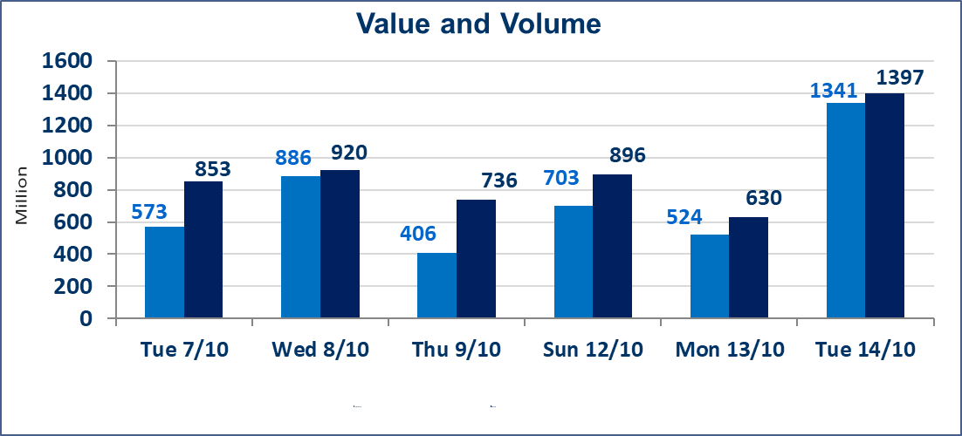
 | ISX Index 60 |  |  | 946.85 | ISX Index 15 |  |  | 1123.95
 | Previous ISX Index60 |  |  | 947.75 | Previous ISX Index15 |  |  | 1122.85
 | Change % |  |  | -0.09 | Change % |  |  | 0.10
 | Change |  |  | -0.90 | Change |  |  | 1.10

 | Listed Companies | 104 | OTC | 11 | Non Traded listed | 41 | OTC | 9
 | Traded Listed Companies | 48 | OTC | 1 | Higher Companies |  |  | 11
 | GAM Companies |  |  | 5 | Lower Companies |  |  | 22
 | Suspended Companies |  |  | 10
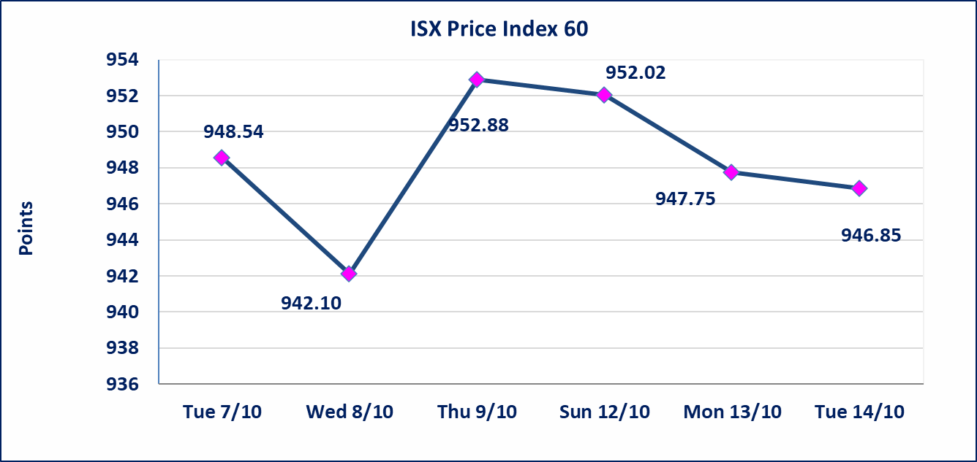
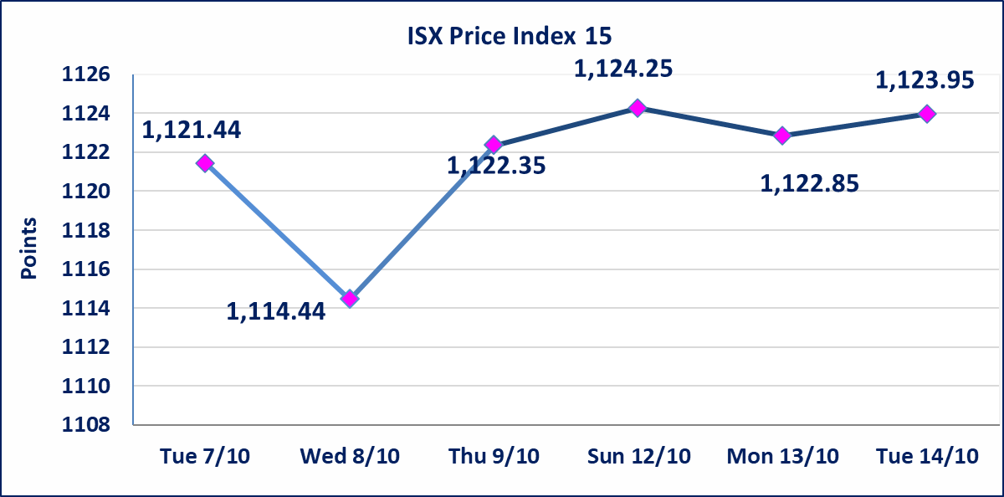

 | special orders | Elaf Brokerage Company executed an intentional exchange order on the shares of Al-Mustashar Islamic Bank, with a number of (5,144,032,922) shares, with a value of (5,144,032,922) dinars, during the additional session time (after one o’clock in the afternoon), in accordance with the procedures for executing large transactions.
 | special orders | Al-Fawz Brokerage Company executed an intentional exchange order on the shares of the Iraqi Islamic Bank, with a number of (7,408,421,053) shares, with a value of (7,556,589,474) dinars, during the additional session time (after one o’clock in the afternoon), in accordance with the procedures for executing large transactions.
Al-Alwiya P.O . 3607 Mobile: 07711211522 - 07270094594 - 07834000034 E-mail: info-isx@isx-iq.net Web site:www.isx-iq.net

Top 5
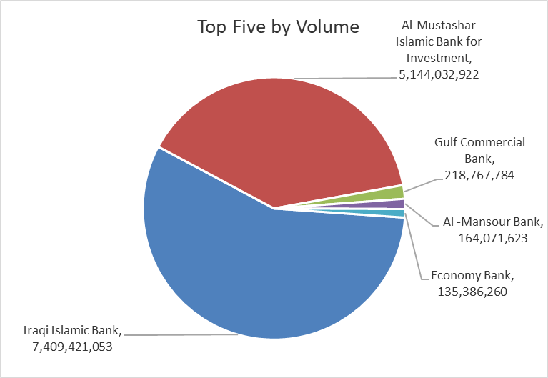
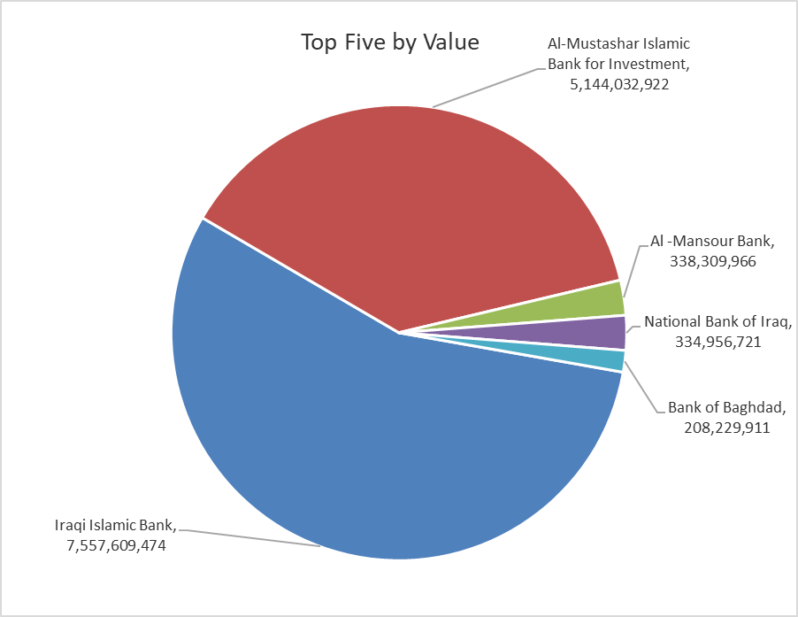
ISX top ganing and losing companies
Tuesday 14/10/2025
Gainers |  |  |  | Losers
Company Name | Closing Price | Change (%) | Traded Volume | Company Name | Closing Price | Change (%) | Traded Volume
Ashur International Bank | 0.260 | 13.04 | 74,800,000 | Rehab Karbalaa | 0.700 | -6.67 | 447
Mosul Bank For Investment | 0.170 | 6.25 | 8,250,000 | AL-Nukhba for Construction | 0.850 | -5.56 | 1,000,000
Kurdistan International Bank | 1.110 | 5.71 | 70,000 | Ready Made Clothes | 2.280 | -5.00 | 1,291,141
Investment Bank of Iraq | 0.220 | 4.76 | 5,000,000 | Economy Bank | 0.230 | -4.17 | 135,386,260
Gulf Commercial Bank | 0.310 | 3.33 | 218,767,784 | National for Tourist Investment | 10.550 | -4.09 | 106,000

The most active companies in term of traded volume and value

Traded Volume |  |  |  | Traded Value
Company Name | Closing Price | Change (%) | Traded Volume | Company Name | Closing Price | Change (%) | Traded Value
Iraqi Islamic Bank | 1.020 | -1.92 | 7,409,421,053 | Iraqi Islamic Bank | 1.020 | -1.92 | 7,557,609,474
Al-Mustashar Islamic Bank for Investment | 1.000 | 0.00 | 5,144,032,922 | Al-Mustashar Islamic Bank for Investment | 1.000 | 0.00 | 5,144,032,922
Gulf Commercial Bank | 0.310 | 3.33 | 218,767,784 | Al -Mansour Bank | 2.070 | 0.49 | 338,309,966
Al -Mansour Bank | 2.070 | 0.49 | 164,071,623 | National Bank of Iraq | 4.200 | 1.20 | 334,956,721
Economy Bank | 0.230 | -4.17 | 135,386,260 | Bank of Baghdad | 3.540 | -0.84 | 208,229,911

Non Iraqis

Iraq Stock Exchange
Non Iraqis' Bulletin TUESDAY OCTOBER 14 2025
Regular Market

Non Iraqi Trading of Regular Market (Buy)
Company Names | Code | No.of trades | Traded Shares | Trading Volume
Banks Sector
Bank Of Baghdad | BBOB | 1 | 27922 | 99402.32
Al-Mansour Bank | BMNS | 7 | 25144762 | 51798209.72
Total Bank sector |  | 8 | 25172684 | 51897612
Telecommunication Sector
Asia cell | TASC | 1 | 10000 | 119800
Total Telecommunication sector |  | 1 | 10000 | 119800
Grand Total |  | 9 | 25182684 | 52017412

Non Iraqi Trading of Regular Market (Sell)
Company Names | Code | No.of trades | Traded Shares | Trading Volume
Banks Sector
Iraqi Islamic Bank | BIIB | 2 | 7408421053 | 7556589474.1
National Bank Of Iraq | BNOI | 2 | 119047 | 499997.4
Economy Bank | BEFI | 36 | 132412000 | 30457045.64
Total Bank sector |  | 40 | 7540952100 | 7587546517
Grand Total |  | 40 | 7540952100 | 7587546517

